Case #1
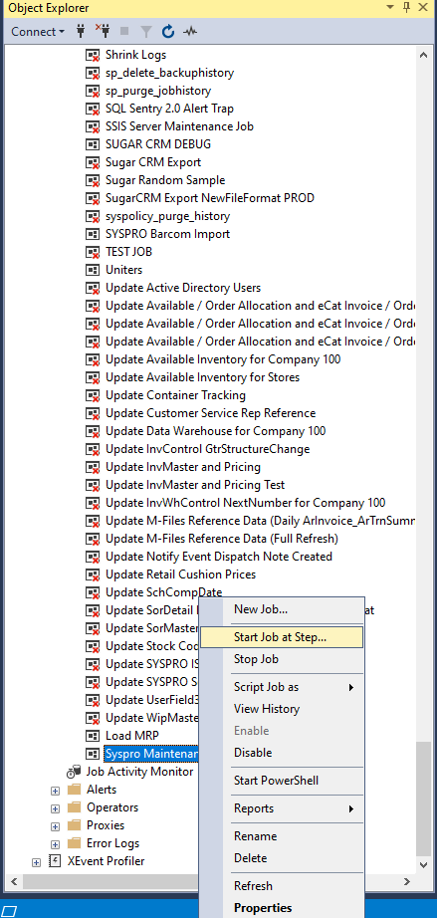
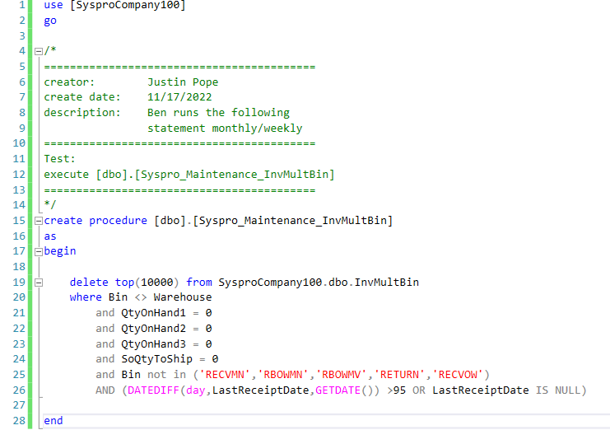
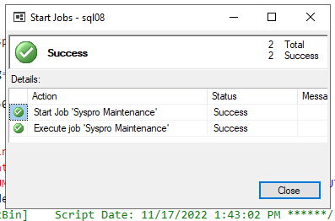
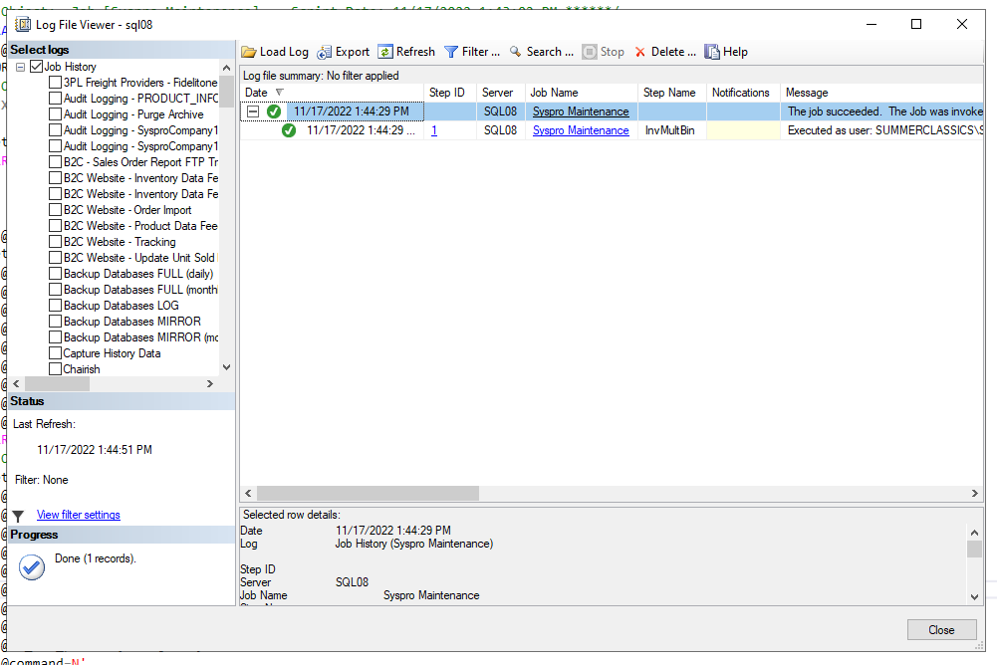
Justin Pope Dev Test
Test Case No. | 1
Process | Run Syspro Maintenance Job
Test Consideration | 1) SQL Server Management Studio
Test Condition |  | Data Used | How To Verify | Actual Results
Tasks
1 | Run job | Dev Data | no errors | Screen shots below
Configuration/Data Setup for Testing Scenario
Verification
Test Cast Screens Shots Before and After

